Test cases
Test case ID | Test scenario Description | Test case description | Test case priority | Test data | Test step description | Expected result | Actual result | Bugs screenshot | Status | Remark
TC001 | The short description and description of the product are not displayed in English | Verify The short description and description of the product should displayed in English | medium | The short description and description of the product should be in English | Open https://academybugs.com Click the Find Bugs link on the navigation bar Open a product | he short description and description of the product should displayed in English | he short description and description of the product are npt in English | 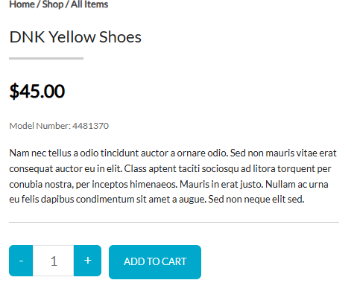 | failed | product description are not in english,Needs correction
TC002 | The page becomes unresponsive when user tries to change the currency after selecting any product | Verify user should able to change the currency after selecting any product and the page should not be unresposive | high | The page should allow the user to change the currency by having valid option once after selecting any product | Open https://academybugs.com Click the Find Bugs link on the navigation bar Open a product Change the currency in the right side menu | The page should be responsive after user tries to change the currency | The page freezes when trying to change the currency | 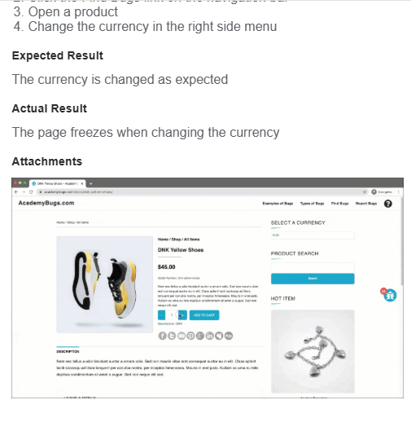 | failed | "The page freezez when trying to change the currency" needs investigation
TC003 | Allingnment of Return to store content is having more spaces | Verify Return to store content should display without many spaces | medium | After clearing all the items from the cart , Return to store content should display without many spaces | Open a product Open the cart at the bottom of right side menu Clear the cart if there are any items | Return to store content should display without many spaces | Return to store content is having more spaces before the last letter in "Return to Store | 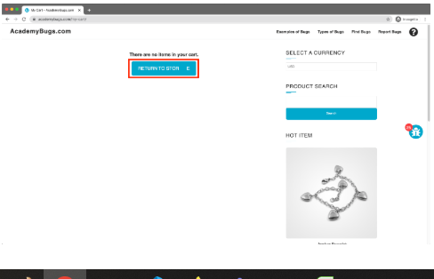 | failed | There is too much space before the last letter in "Return to Store. need to be corrected
TC004 | Product not showing options radio button tp choose different colours | Verify user should able to get the option to choose different colour for the product | medium | User should get the options tp choose different colours for their product | Open https://academybugs.com Click the Find Bugs link on the navigation bar Open a product try to choose different colors apart from the colour which is being dsiplayed | User should be able to choose product colour based on their choice | 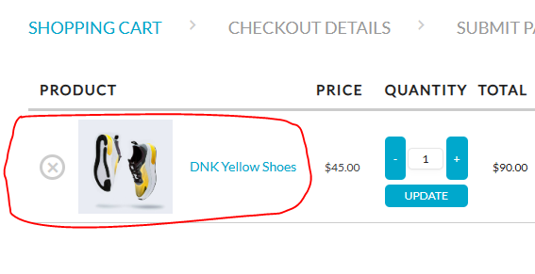 User unable to choose product colour as no option button is there |  | failed | Product not showing options radio button tp choose different colours, need to add feature
TC005 | Unable to post comment after filling details(msg, name, email,website) | Verify user should be able to post comments or reviews after filling all mandatory details((msg, name, email,website) | medium | user should be able to post comments or reviews after filling the comment form | Open a product Scroll down to the Leave a Reply section Fill out the comment form Click "Post Comment" | User should be able to post comment or reviews after fillling the comment form | User unable to post comment the page becomes unresponsive . | 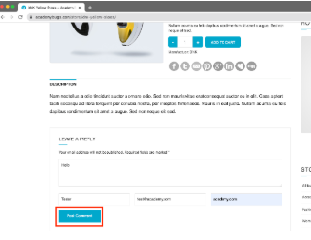 | failed | the page becomes unresponsive when clicking on the Post Comment button.need to be fixed
TC006 | Image of the product should be shown completely without any space | Verify product image should be completely visible | medium | "Image of the product should be shown completely without any space" | Open https://academybugs.com Click the Find Bugs link on the navigation bar click on "dary grey jeans" | """Image of the product should be shown completely without any space""" | Th image has a white space on the right | 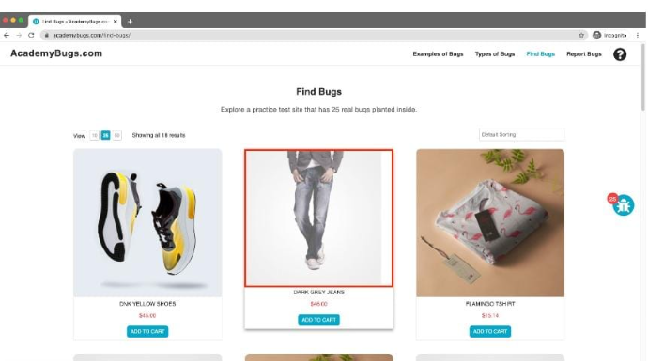 | failed | The product image is not completely displayed, need to be corrected
TC007 | retrieve password button become unresponsive | Verify user shoudl be able to create new pssword by generating new password link to thier registered mail id | High | user shouldl be able to create new password by getting new password link to their registered mail id | Open https://academybugs.com Click the Find Bugs link on the navigation bar Open a product Scroll down to the Your Account section of the right side menu click on sign in click on "forgot password" Enter your email in the field and click "Retrieve Password" | User should be able to receive new password link to the registered mail id | the page becomes unresponsive when clicking on the Retrieve Password button. | 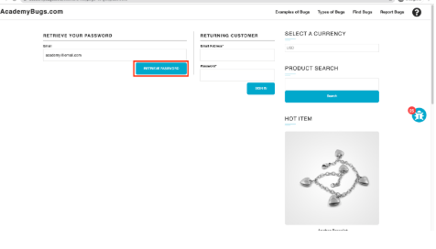 | failed | "The page freezes when clicking on the Retrieve Password button.", need investigation
TC008 | the manufacturer link in the product details page | Verfify user should be able to view mnaufacturer detials via manufacturer link | medium | user should be able to view mnaufacturer detials via manufacturer link in the product details page | Open https://academybugs.com Click the Find Bugs link on the navigation bar Open a product Click the manufacturer link under the quantity | The manufacturer link takes to an appropriate page | the manufacturer link in the product details page is broken. | 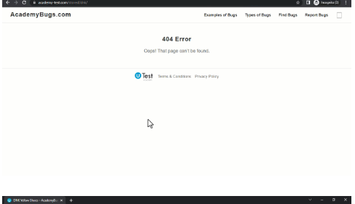 | failed | he manufacturer link is brokren, needs investigatiob
TC009 | Allignment of the "signin" radio button | verify signin radio button is at proper allignment | low | signin radio button should not overlap | Open https://academybugs.com Click the Find Bugs link on the navigation bar Open a product with no color selection options Scroll down to the bottom of the right side menu | User should able to view "Sign In" button within the footer | 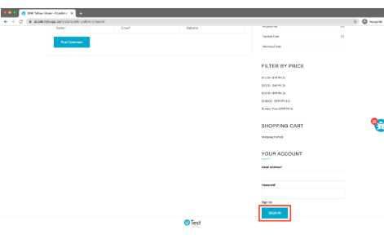 the Sign In button overlaps the footer. |  | failed | the Sign In button overlaps the footer. need correction
TC010 | Login functionality in matrimonial app "bengali sangam" | Login | High | user shouldl be able to create new password by getting otp to their registered mail id | Go to Google playstore download " Bangali sangam" mob app select login select forgot password Enter your mobile numbet /email in the filed and select "send otp" | User should be able to receive new password otp to the registered mail id/mobile number | page becomes unresponsive when clicking on the send otp button |  | failed | "The page freezes when clicking on the" send otp button.", need investigation

